Notes
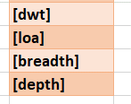
“Metric shipping factor”
= length (cm) × width (cm) × height (cm) × quantity / 5000 (cm³/kg)

 | Requires logistical data of the vessel's itemized manifest, vehicle(s) dimensions, vehicle type, ship cargohold layout

